Bug1
Status | New
Summary (Resume) | The size of the photo appears on the photos with ptoduct logos
Description | The size of the photo appears on the photos with ptoduct logos on the buttom "Services" page when you pointing the cursor at them
Priority | Medium
Severity | Mijor
Environment | Browser Google Chrome 106.0.5249.119
STR | 1. Open homepage (https://www.headhunterhairstyling.com/) 2. Сlick on the "Service" tab 3. Scroll down to the "Product" item on the page that opens 4. Hover cursor over on the product photo
Expected result | The photo must stay the same
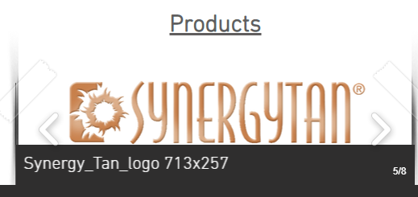
Actual result | The size of the photo appears on the photos
Additional info

